競爭對手液晶
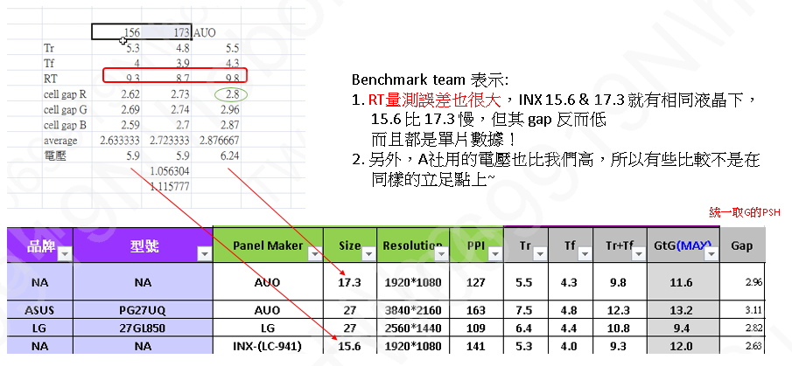
LC Name | * | LCT-19-580 | JDI-2019年初
廠商 |  | Merck | Merck
廠商量測LC溫度(℃) |  | 25 | 25
Transition Temp. | Tni(℃) | 79.4 | 80.4
 | Tcn(℃) | -30 | -30
Default cell Gap (um) | d | 2.5 | 2.5
d*△n*1000(nm) | Retardation | 267 | 323.0000
Optical Anisotropy (589.3nm) | ne | 1.5925 | 1.6213
 | no | 1.4858 | 1.4921
 | △n | 0.1067 | 0.1292
Dielectric Constant(1KHz) | ε∥ | 3.7 | 3.8
 | ε⊥ | 7.7 | 7.7
 | △ε | -3.9 | -3.9
Rotational Viscosity (mPa･s) | γ1 | 81 | 81
Elastic Constant (pN) | K11 | 14.6 | 14.3
 | K22 | 7.3 | 7.15
 | K33 | 15.2 | 14.8
RT index(含Gap) (越小越快) |  | 69 | 71
RT index(γ1/K22, 不含Gap) (越小越快) |  | 11.10 | 11.33
VT Index (越大越左移) |  | -0.54 | -0.55
液晶散射 |  | 0.0218 | 0.0335
Remark (量產機種)(特色) | * | INX 6601 Cell Gap 3.0um delta nd 320nm LC%:75.7% Tr:8.1ms Tf:9.7ms Tr+Tf:17.8ms GtGmax:25.6ms CR:1543 | Realme X50 Benchmark光學: Cell Gap:2.57um delta nd: 313nm LC%: 75.8% Tr:5.9ms Tf:5.6ms Tr+Tf:11.5ms GtGmax:14ms CR:1419
產品
 | Cell Gap
 | CR公版BLU)
 | Resolution
 | PPI
 | Ton+Toff
 | APCF
 | 上+下Prism
 | ITO slant
 | BM to MPS
 | BM to SPS
 | Note
使用之最新單體水準 |  | 18-1 | 17-2

 |  | Benchmark team量測

VT位置預估
Merck LC | de/K11 | V95(Relative)
LCT-15-1098(Ref) | -0.23571428571 | 5.4
LCT-13-1386 | -0.25757575758 | 5.2
LCT-17-1336 | -0.32624113475 | 4.7 |  |  | 默克de/ K11每減少0.1, V95減少0.7V
LCT-16-1028 | -0.32608695652 | 4.76
LCT-16-1031 | -0.35251798561 | 4.58

JNC LC | de | K11 | de/K11 | V99(Relative) | V95(Relative) | V90(Relative)
ZIX-7047XX | -3.5 | 14.3 | -0.24 | 5.76 | 5.01 | 4.55
ZIX-7049XX | -3.5 | 14.2 | -0.25 | 5.54 | 4.80 | 4.38
ZIX-7048XX | -4.2 | 14.9 | -0.28 | 5.23 | 4.53 | 4.12

